QUERY Total Assets
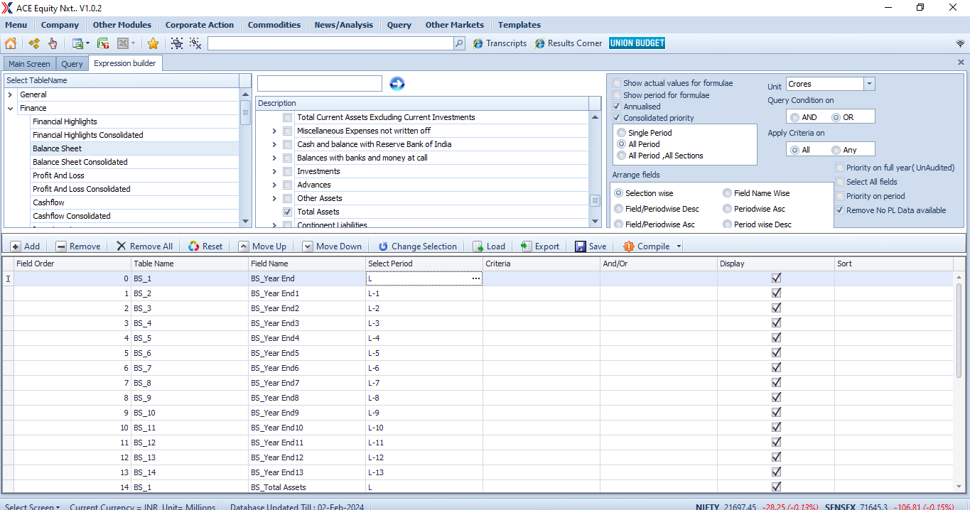
Finance > Balance Sheet > select Year End & Total Assets

QUERY Total Sales
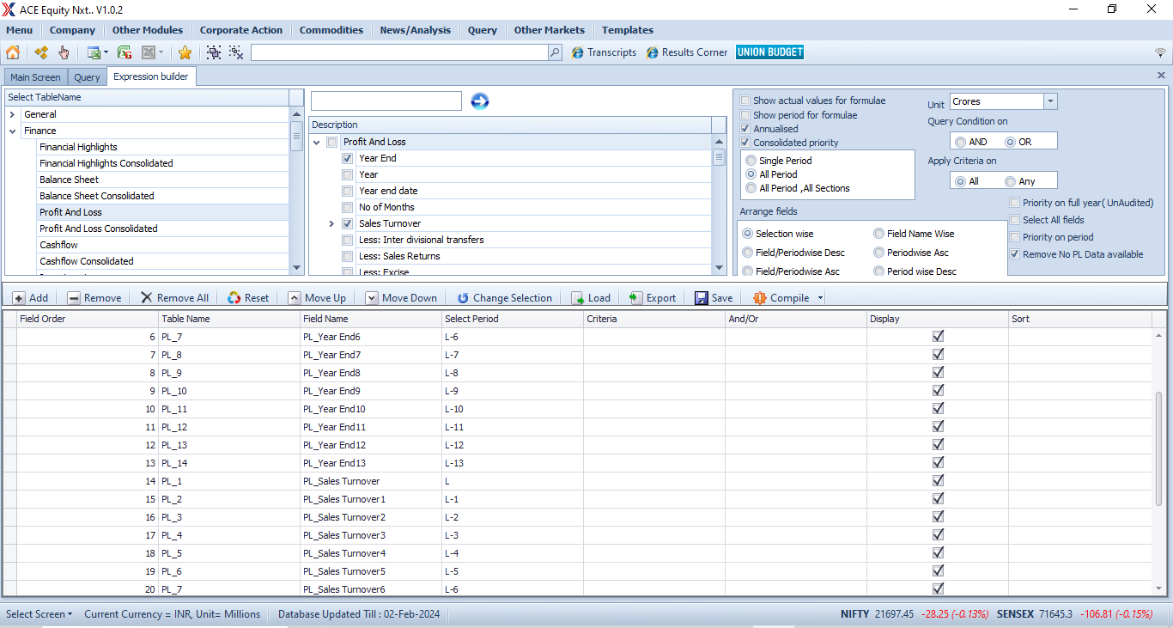
Finance > PnL > select Year End & Sales Turnover

QUERY Mkt Cap
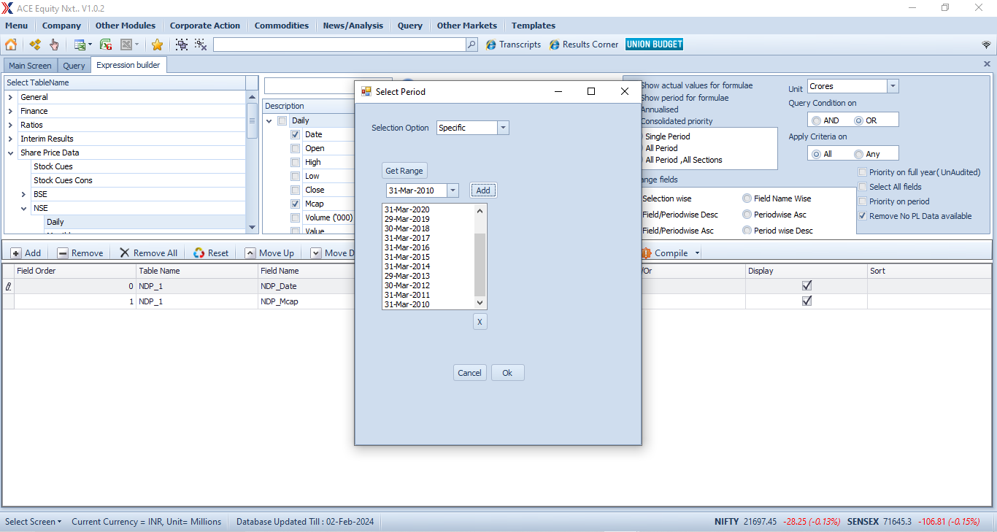
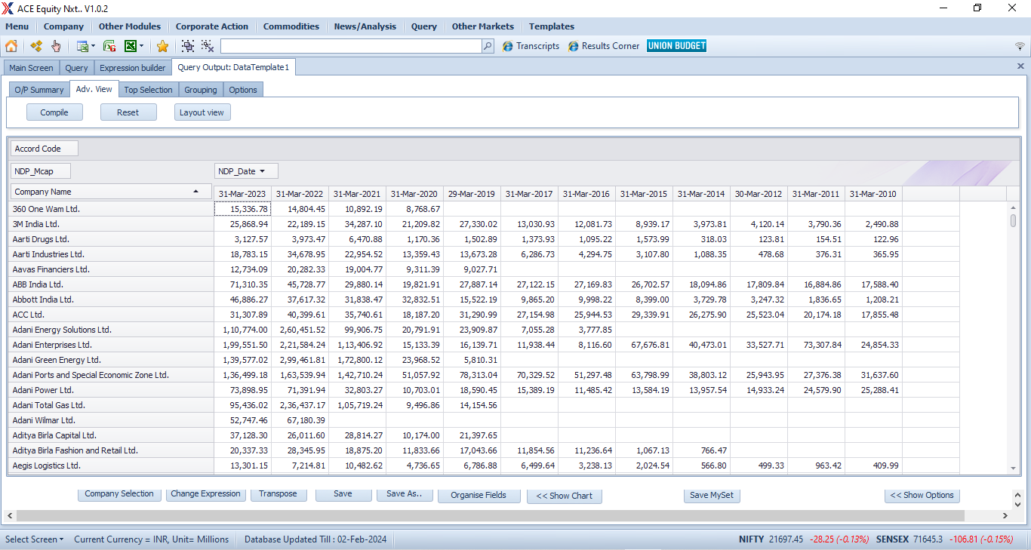
Share Price Data > NSE > Daily and then add dates one by one
N.B. 2018 date needs to be 28-Mar-2018; so too 2013.

